TestSummary
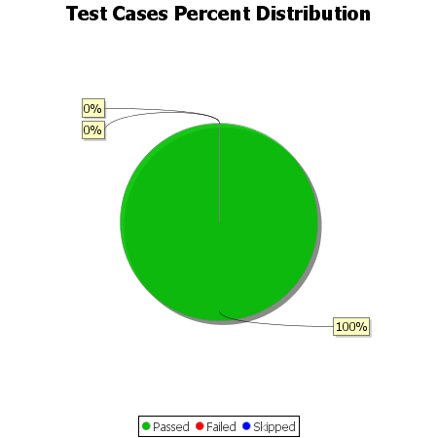
Total Test Cases | 7
Test Cases Passed | 7
Test Cases Failed | 0
Test Cases Skipped | 0

